Affordability
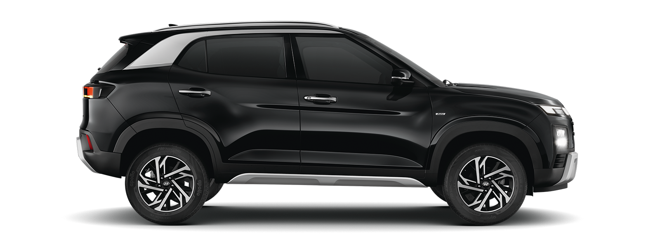
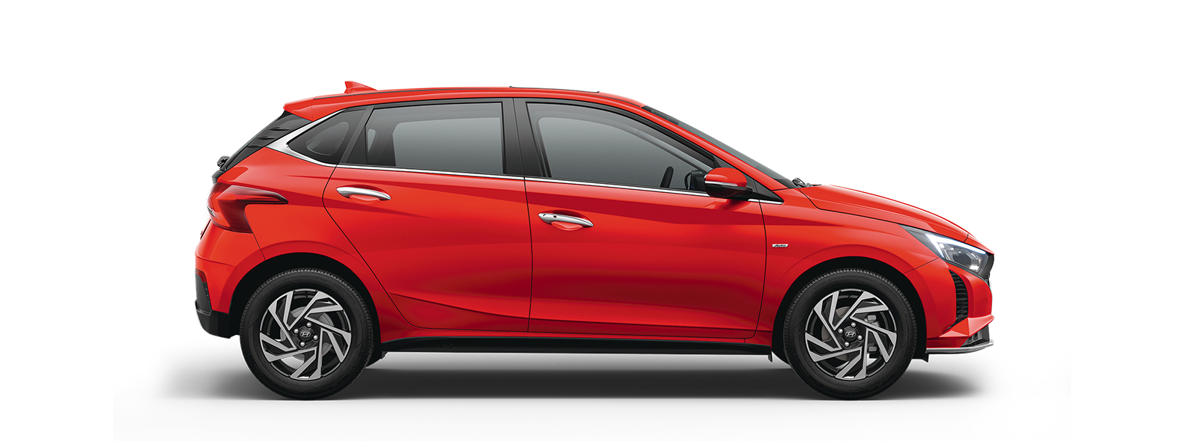
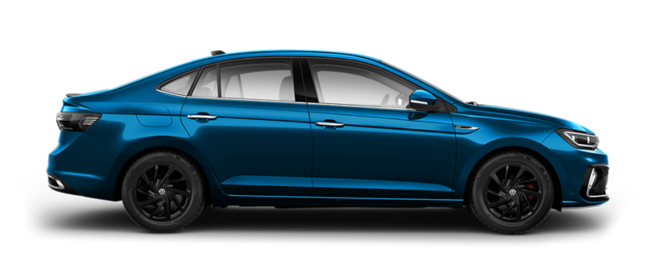


MY INCOME
MONTHLY SALARY
TOTAL ANNUAL SALARY | ₹0.00

COST OF BUYING THE CAR |  | To Support Your Money Purse Channel Use the Links Below
ON ROAD CAR PRICE |  | Compare Term Plan Here | https://tinyurl.com/44tp7uor
DOWN PAYMENT % |  | Compare Health Insurance Here | https://tinyurl.com/pgc9dcxc
DOWN PAYMENT VALUE | ₹0.00
LOAN AMOUNT | ₹0.00 | Choose the Credit Card Which Suits Your Requirement
LOAN TENURE YEARS |  | State Bank Of India | https://wee.bnking.in/c/NzRkOGY4
LOAN RATE |  | Axis Bank | https://wee.bnking.in/c/M2M3MjM1
EMI | #NUM! | IDFC First Bank | https://wee.bnking.in/ZTFkZTc1
TOTAL VALUE OF EMIs PER ANNUM | #NUM!
PERCENTAGE OF MY INCOME | #NUM!

OPERATIONAL COST
AVG COMMUTATION PER MONTH
MILEAGE
FUEL COST PER LITRE
COST OF COMMUTATION PER MONTH | #DIV/0!
TOTAL COST OF COMMUTATION PER YEAR | #DIV/0!
SERVICE COST

TOTAL EXPENSE TO MAINTAIN A CAR | #NUM!
PERCENTAGE OF MY INCOME | #NUM!

Owing Cost


FIXED COST OF OWNING THE CAR |  |  |  | BUY THE CAR AT FREE OF COST
ON ROAD PRICE OF THE VEHICLE | ₹0.00 |  |  | EMI | #NUM! | TENURE | MULTIPLE
INTEREST PAID | #NUM! |  |  | INVESTMENT | #NUM! | 4 | 1.63
TOTAL COST OF THE VEHICLE | #NUM! | To Support Your Money Purse Channel Use the Links Below |  | TENURE | 0 | 5 | 1.5
 |  | Compare Term Plan Here | https://tinyurl.com/44tp7uor | EXPECTED RETURN | 12% | 6 | 1.38
OPERATIONAL COST OF THE CAR |  | Compare Health Insurance Here | https://tinyurl.com/pgc9dcxc | VALUE AT THE END OF TENURE | #NUM! | 7 | 1.27
COMMUTATION EXPENSES PER YEAR | #DIV/0! |  |  | TIME LEFT POST TENURE | 10
SERVICE COST PER YEAR | ₹0.00 | Choose the Credit Card Which Suits Your Requirement |  | VALUE OF INVESTMENT BY 10 YEARS | #NUM!
INSURANCE COST PER YEAR | ₹0.00 | State Bank Of India | https://wee.bnking.in/c/NzRkOGY4 | TOTAL EXPENSE ON OWNING THE CAR | #DIV/0!
TENURE | 10 | Axis Bank | https://wee.bnking.in/c/M2M3MjM1 | GAINS OVER AND ABOVE | #NUM!
TOTAL OPERATIONAL COST OF THE CAR | #DIV/0! | IDFC First Bank | https://wee.bnking.in/ZTFkZTc1

TOTAL COST OF OWNING A CAR FOR 10 YEARS | #DIV/0!
CAR VALUE AFTER 10 YEARS | ₹0.00

TOTAL EXPENSE ON OWNING A CAR FOR 10 YEARS | #DIV/0!

